Indices

 | Iraq Stock Exchange
 | Bulletin No (226)

 | ISX Trading Indices of Wednesday 17/12/2025

 | Traded Volume and OTC |  | 925,746,668 |  | Traded Value and OTC |  | 1,082,537,241 |  | Traders | 1098

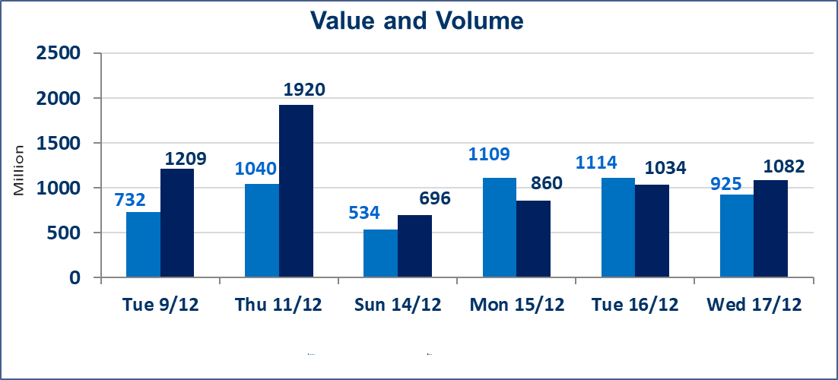
 | ISX Index 60 |  |  | 971.21 | ISX Index 15 |  |  | 1192.30
 | Previous ISX Index60 |  |  | 974.94 | Previous ISX Index15 |  |  | 1179.20
 | Change % |  |  | -0.38 | Change % |  |  | 1.11
 | Change |  |  | -3.73 | Change |  |  | 13.10

 | Listed Companies | 104 | OTC | 15 | Non Traded listed | 42 | OTC | 11
 | Traded Listed Companies | 46 | OTC | 1 | Higher Companies |  |  | 15
 | GAM Companies |  |  | 6 | Lower Companies |  |  | 18
 | Suspended Companies |  |  | 10 | GAM Companies OTC |  |  | 1
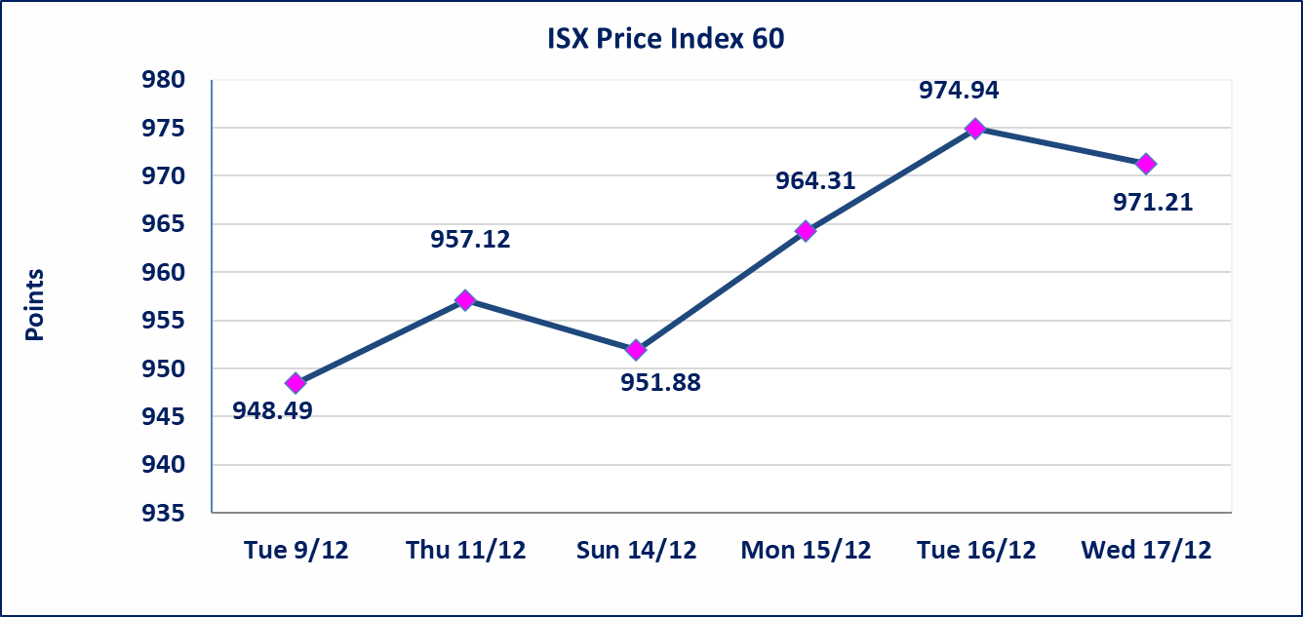
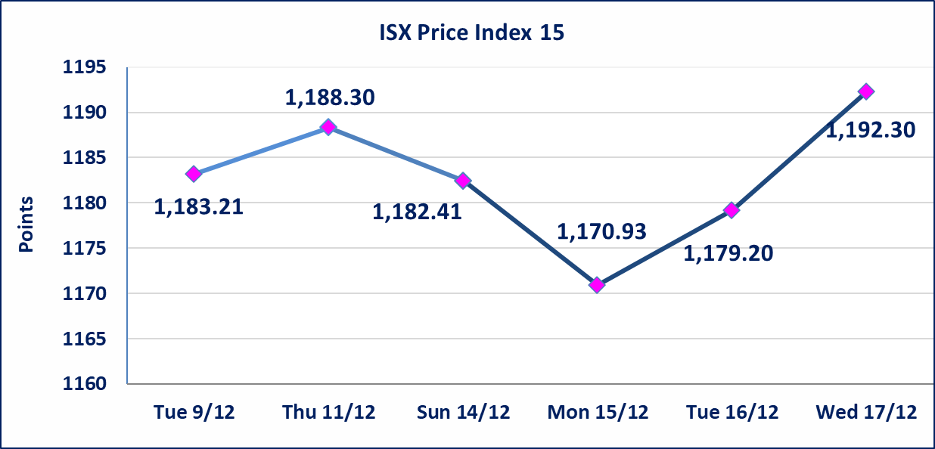

Al-Alwiya P.O . 3607 Mobile: 07711211522 - 07270094594 - 07834000034 E-mail: info-isx@isx-iq.net Web site:www.isx-iq.net

Top 5
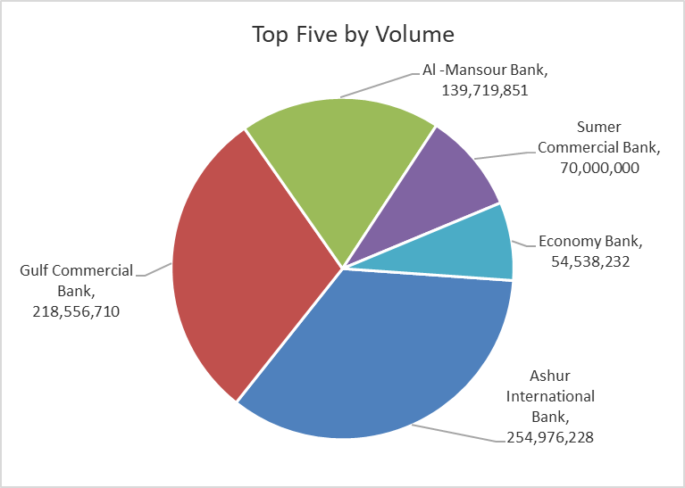
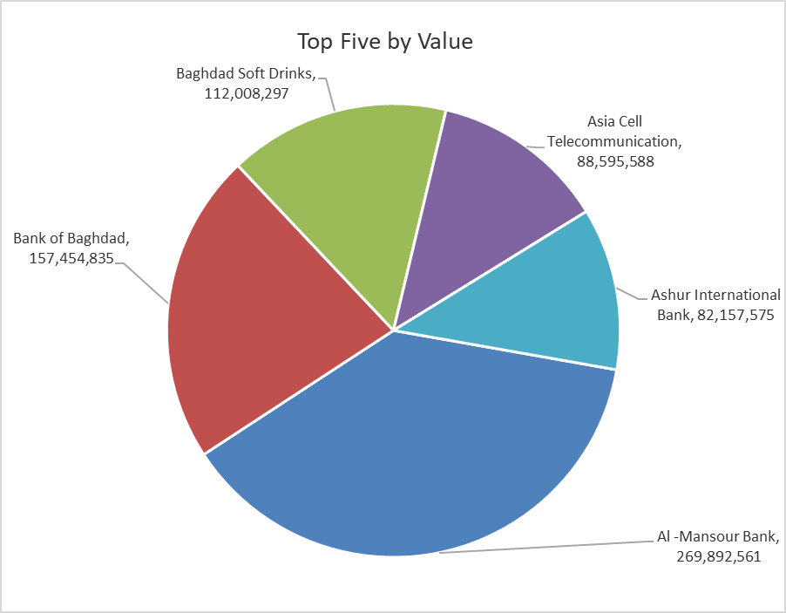
ISX top ganing and losing companies
Wednesday 17/12/2025
Gainers |  |  |  | Losers
Company Name | Closing Price | Change (%) | Traded Volume | Company Name | Closing Price | Change (%) | Traded Volume
Middle East Bank | 0.070 | 16.67 | 626,868 | Mansour Hotel | 50.000 | -9.09 | 38,744
Al-Ataa Islamic Bank | 0.100 | 11.11 | 500,000 | Modern for Animal Production | 0.370 | -5.13 | 1,418,446
Iraqi Date Processing and Marketing | 2.900 | 9.43 | 12,350 | Al-Hilal Industries | 1.710 | -5.00 | 1,368,446
National Bank of Iraq | 4.900 | 8.17 | 16,104,483 | Al-Ameen for Insurance | 0.910 | -4.21 | 1,000,000
Metallic Industries and Bicycles | 1.950 | 4.84 | 1,100,000 | Economy Bank | 0.250 | -3.85 | 54,538,232

The most active companies in term of traded volume and value

Traded Volume |  |  |  | Traded Value
Company Name | Closing Price | Change (%) | Traded Volume | Company Name | Closing Price | Change (%) | Traded Value
Ashur International Bank | 0.310 | -3.12 | 254,976,228 | Al -Mansour Bank | 1.930 | -0.52 | 269,892,561
Gulf Commercial Bank | 0.290 | 3.57 | 218,556,710 | Bank of Baghdad | 3.450 | 0.00 | 157,454,835
Al -Mansour Bank | 1.930 | -0.52 | 139,719,851 | Baghdad Soft Drinks | 5.400 | -0.92 | 112,008,297
Sumer Commercial Bank | 0.120 | 0.00 | 70,000,000 | Asia Cell Telecommunication | 13.300 | 0.45 | 88,595,588
Economy Bank | 0.250 | -3.85 | 54,538,232 | Ashur International Bank | 0.310 | -3.12 | 82,157,575

OTC

Iraq Stock Exchange

Wednesday 17/12/2025
OTC Platform Trading Bulletin No (226)
Company Name | Code | highest price | lowest price | Average price | No.of Trades | Traded Volume | Traded Value
Banks Sector
Al-Warka Bank | BWAI | 0.070 | 0.070 | 0.070 | 1 | 5,000,000 | 350,000
Total Of Banks Sector |  |  |  |  | 1 | 5,000,000 | 350,000
Total |  |  |  |  | 1 | 5,000,000 | 350,000

Not Trading OTC Companies
Company Name |  |  | Code |  | Previous Average price
Banks Sector
Al-Sanam Islamic Bank |  |  | BSAN |  | 3.000
Hammurabi Commercial Bank |  |  | BHAM |  | ـــــــــــــــــــــــــــــــــــ
Industrial Sector
Kirkuk producing constructional materials |  |  | IKFP |  | 1.260
Money Service Sector
Rabee Securities |  |  | FRSE |  | 9.500
Karmal Brokerage |  |  | FKSX |  | 10.000
Ishtar Gate for e-Paymant |  |  | FISH |  | 1.000
Sama Baghdad Exchange |  |  | FSBE |  | ـــــــــــــــــــــــــــــــــــ
Iraqi Deposit Insurance Corporation |  |  | FIDI |  | ـــــــــــــــــــــــــــــــــــ
Insurance Sector
Kurdistan Insurance |  |  | NKUI |  | ـــــــــــــــــــــــــــــــــــ
Al Badia Insurance |  |  | NBAD |  | ـــــــــــــــــــــــــــــــــــ
Shatt Al Arab Insurance |  |  | NSHA |  | 1.000
Dilina Insurance Company |  |  | NDIL |  | ـــــــــــــــــــــــــــــــــــ

Non Iraqis

Iraq Stock Exchange
Non Iraqis' Bulletin Wednesday Dec 17 2025
Regular Market

Non Iraqi Trading of Regular Market (Buy)
Company Names | Code | No.of trades | Traded Shares | Trading Volume
Banks Sector
National Bank Of Iraq | BNOI | 7 | 2,300,000 | 10,733,000
Al-Mansour Bank | BMNS | 10 | 5,000,000 | 9,700,000
Total Bank sector |  | 17 | 7,300,000 | 20,433,000
Grand Total |  | 17 | 7,300,000 | 20,433,000

